chart 1
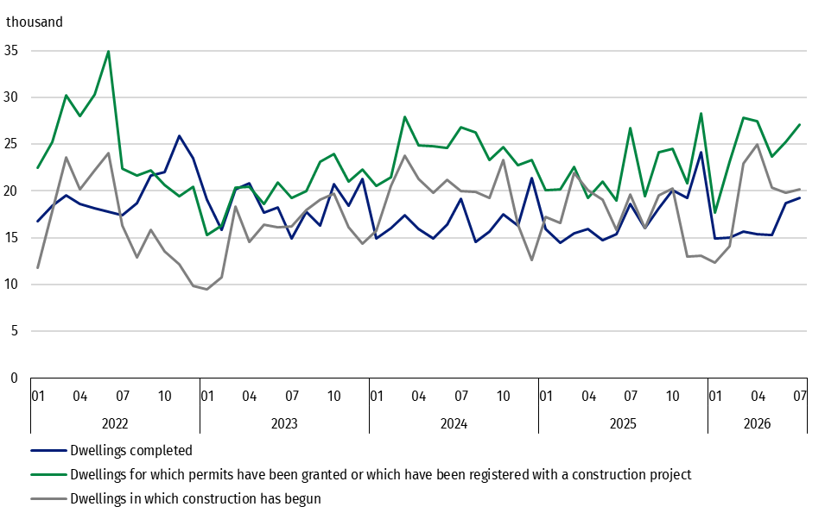
 | 2022 |  |  |  |  |  |  |  |  |  |  |  | 2023 |  |  |  |  |  |  |  |  |  |  |  | 2024 |  |  |  |  |  |  |  |  |  |  |  | 2025 |  |  |  |  |  |  |  |  |  |  |  | 2026
months | 01 | 02 | 03 | 04 | 05 | 06 | 07 | 08 | 09 | 10 | 11 | 12 | 01 | 02 | 03 | 04 | 05 | 06 | 07 | 08 | 09 | 10 | 11 | 12 | 01 | 02 | 03 | 04 | 05 | 06 | 07 | 08 | 09 | 10 | 11 | 12 | 01 | 02 | 03 | 04 | 05 | 06 | 07 | 08 | 09 | 10 | 11 | 12 | 01 | 02 | 03 | 04 | 05 | 06 | 07
Dwellings completed | 16,739 | 18,387 | 19,541 | 18,631 | 18,109 | 17,788 | 17,435 | 18,677 | 21,696 | 22,046 | 25,913 | 23,528 | 19,043 | 15,875 | 20,133 | 20,822 | 17,721 | 18,266 | 14,925 | 17,781 | 16,277 | 20,726 | 18,388 | 21,302 | 14,883 | 16,071 | 17,428 | 15,930 | 14,911 | 16,394 | 19,163 | 14,572 | 15,615 | 17,501 | 16,263 | 21,375 | 15,952 | 14,482 | 15,451 | 15,949 | 14,723 | 15,390 | 18,571 | 16,036 | 18,184 | 20,126 | 19,249 | 24,184 | 14,907 | 14,972 | 15,661 | 15,366 | 15,275 | 18,705 | 19,220
cumulative | 16,739 | 35,126 | 54,667 | 73,298 | 91,407 | 109,195 | 126,630 | 145,307 | 167,003 | 189,049 | 214,962 | 238,490 | 19,043 | 34,918 | 55,051 | 75,873 | 93,594 | 111,860 | 126,785 | 144,566 | 160,843 | 181,569 | 199,957 | 221,259 | 14,883 | 30,954 | 48,382 | 64,312 | 79,223 | 95,617 | 114,780 | 129,352 | 144,967 | 162,468 | 178,731 | 200,106 | 15,952 | 30,434 | 45,885 | 61,834 | 76,557 | 91,947 | 110,518 | 126,554 | 144,738 | 164,864 | 184,113 | 208,297 | 14,907 | 29,879 | 45,540 | 60,906 | 76,181 | 94,886 | 114,106

dwellings in which construction has begun
 | 2022 |  |  |  |  |  |  |  |  |  |  |  | 2023 |  |  |  |  |  |  |  |  |  |  |  | 2024 |  |  |  |  |  |  |  |  |  |  |  | 2025 |  |  |  |  |  |  |  |  |  |  |  | 2026
months | 01 | 02 | 03 | 04 | 05 | 06 | 07 | 08 | 09 | 10 | 11 | 12 | 01 | 02 | 03 | 04 | 05 | 06 | 07 | 08 | 09 | 10 | 11 | 12 | 01 | 02 | 03 | 04 | 05 | 06 | 07 | 08 | 09 | 10 | 11 | 12 | 01 | 02 | 03 | 04 | 05 | 06 | 07 | 08 | 09 | 10 | 11 | 12 | 01 | 02 | 03 | 04 | 05 | 06 | 07
Dwellings in which construction has begun | 11,800 | 17,855 | 23,632 | 20,173 | 22,226 | 24,021 | 16,277 | 12,913 | 15,861 | 13,569 | 12,117 | 9,844 | 9,446 | 10,817 | 18,310 | 14,513 | 16,372 | 16,140 | 16,195 | 17,999 | 19,092 | 19,721 | 16,107 | 14,381 | 15,720 | 20,551 | 23,807 | 21,239 | 19,826 | 21,229 | 19,974 | 19,899 | 19,241 | 23,352 | 16,411 | 12,583 | 17,233 | 16,585 | 21,899 | 20,061 | 19,091 | 15,871 | 19,652 | 16,057 | 19,563 | 20,304 | 13,013 | 13,095 | 12,307 | 14,127 | 22,938 | 24,936 | 20,406 | 19,854 | 20,187
cumulative | 11,800 | 29,655 | 53,287 | 73,460 | 95,686 | 119,707 | 135,984 | 148,897 | 164,758 | 178,327 | 190,444 | 200,288 | 9,446 | 20,263 | 38,573 | 53,086 | 69,458 | 85,598 | 101,793 | 119,792 | 138,884 | 158,605 | 174,712 | 189,093 | 15,720 | 36,271 | 60,078 | 81,317 | 101,143 | 122,372 | 142,346 | 162,245 | 181,486 | 204,838 | 221,249 | 233,832 | 17,233 | 33,818 | 55,717 | 75,778 | 94,869 | 110,740 | 130,392 | 146,449 | 166,012 | 186,316 | 199,329 | 212,424 | 12,307 | 26,434 | 49,372 | 74,308 | 94,714 | 114,568 | 134,755

dwellings for which permits have been granted or which have been registered with a construction project
 | 2022 |  |  |  |  |  |  |  |  |  |  |  | 2023 |  |  |  |  |  |  |  |  |  |  |  | 2024 |  |  |  |  |  |  |  |  |  |  |  | 2025 |  |  |  |  |  |  |  |  |  |  |  | 2026
months | 01 | 02 | 03 | 04 | 05 | 06 | 07 | 08 | 09 | 10 | 11 | 12 | 01 | 02 | 03 | 04 | 05 | 06 | 07 | 08 | 09 | 10 | 11 | 12 | 01 | 02 | 03 | 04 | 05 | 06 | 07 | 08 | 09 | 10 | 11 | 12 | 01 | 02 | 03 | 04 | 05 | 06 | 07 | 08 | 09 | 10 | 11 | 12 | 01 | 02 | 03 | 04 | 05 | 06 | 07
Dwellings for which permits have been granted or which have been registered with a construction project | 22,490 | 25,271 | 30,215 | 28,017 | 30,360 | 34,918 | 22,363 | 21,617 | 22,236 | 20,610 | 19,431 | 20,457 | 15,309 | 16,282 | 20,377 | 20,472 | 18,591 | 20,918 | 19,227 | 19,985 | 23,090 | 23,979 | 21,018 | 22,321 | 20,571 | 21,465 | 27,931 | 24,868 | 24,769 | 24,600 | 26,791 | 26,217 | 23,291 | 24,724 | 22,786 | 23,267 | 20,083 | 20,192 | 22,597 | 19,224 | 20,964 | 18,988 | 26,741 | 19,475 | 24,160 | 24,556 | 20,823 | 28,249 | 17,731 | 23,124 | 27,825 | 27,487 | 23,692 | 25,260 | 27,061
cumulative | 22,490 | 47,761 | 77,976 | 105,993 | 136,353 | 171,271 | 193,634 | 215,251 | 237,487 | 258,097 | 277,528 | 297,985 | 15,309 | 31,591 | 51,968 | 72,440 | 91,031 | 111,949 | 131,176 | 151,161 | 174,251 | 198,230 | 219,248 | 241,569 | 20,571 | 42,036 | 69,967 | 94,835 | 119,604 | 144,204 | 170,995 | 197,212 | 220,503 | 245,227 | 268,013 | 291,280 | 20,083 | 40,275 | 62,872 | 82,096 | 103,060 | 122,048 | 148,789 | 168,264 | 192,424 | 216,980 | 237,803 | 266,052 | 17,731 | 40,855 | 68,680 | 96,167 | 119,859 | 145,119 | 172,180

chart 2
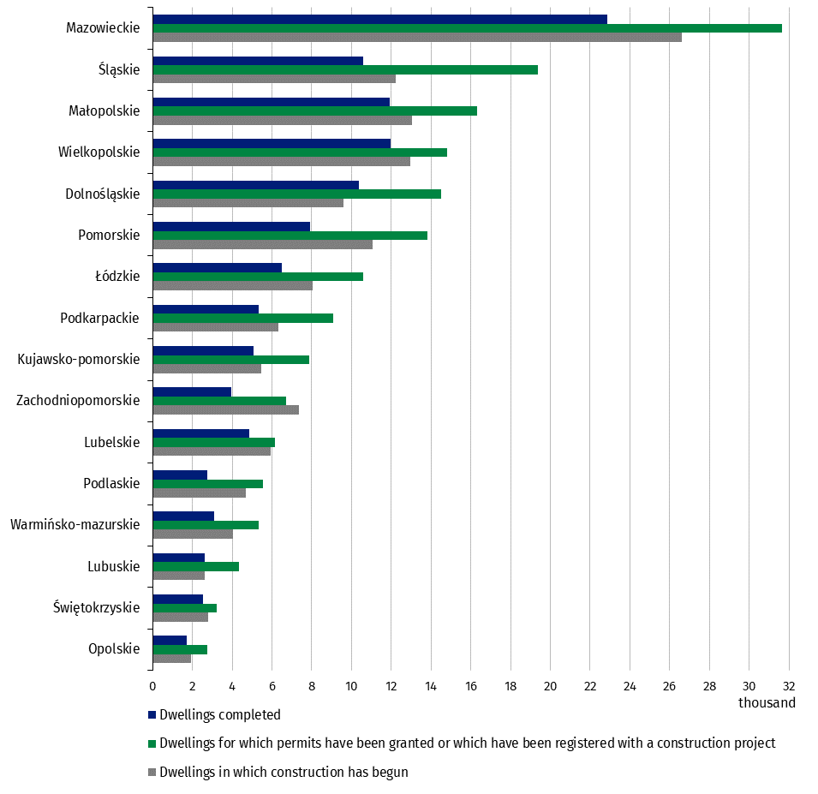
 | Dwellings
voivodeship | Dwellings for which permits have been granted or which have been registered with a construction project | Dwellings in which construction has begun | Dwellings completed
Opolskie | 2,751 | 1,939 | 1,732
Świętokrzyskie | 3,245 | 2,790 | 2,555
Lubuskie | 4,332 | 2,600 | 2,605
Warmińsko-mazurskie | 5,349 | 4,055 | 3,107
Podlaskie | 5,555 | 4,688 | 2,748
Lubelskie | 6,152 | 5,929 | 4,842
Zachodniopomorskie | 6,724 | 7,352 | 3,965
Kujawsko-pomorskie | 7,887 | 5,477 | 5,082
Podkarpackie | 9,077 | 6,323 | 5,323
Łódzkie | 10,602 | 8,035 | 6,489
Pomorskie | 13,837 | 11,072 | 7,928
Dolnośląskie | 14,519 | 9,605 | 10,387
Wielkopolskie | 14,797 | 12,979 | 11,959
Małopolskie | 16,315 | 13,044 | 11,920
Śląskie | 19,376 | 12,239 | 10,593
Mazowieckie | 31,662 | 26,628 | 22,871

