Chart
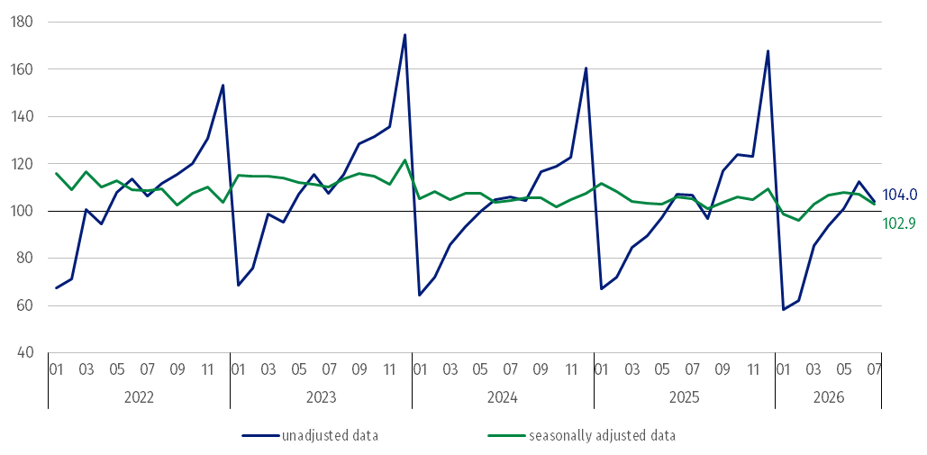
Index numbers of construction and assembly production (constant prices; average monthly base 2021=100)
 | 2022 |  |  |  |  |  |  |  |  |  |  |  | 2023 |  |  |  |  |  |  |  |  |  |  |  | 2024 |  |  |  |  |  |  |  |  |  |  |  | 2025 |  |  |  |  |  |  |  |  |  |  |  | 2026
months | 01 | 02 | 03 | 04 | 05 | 06 | 07 | 08 | 09 | 10 | 11 | 12 | 01 | 02 | 03 | 04 | 05 | 06 | 07 | 08 | 09 | 10 | 11 | 12 | 01 | 02 | 03 | 04 | 05 | 06 | 07 | 08 | 09 | 10 | 11 | 12 | 01 | 02 | 03 | 04 | 05 | 06 | 07 | 08 | 09 | 10 | 11 | 12 | 01 | 02 | 03 | 04 | 05 | 06 | 07
unadjusted data | 67.3 | 71.3 | 100.7 | 94.5 | 107.9 | 113.6 | 106.3 | 111.5 | 115.4 | 119.9 | 130.7 | 153.1 | 68.6 | 75.7 | 98.9 | 95.4 | 107.0 | 115.3 | 107.3 | 115.3 | 128.4 | 131.6 | 135.6 | 174.5 | 64.3 | 72.1 | 85.6 | 93.4 | 100.0 | 104.9 | 105.9 | 104.3 | 116.8 | 119.0 | 122.9 | 160.5 | 67.0 | 72.0 | 84.7 | 89.5 | 97.2 | 107.1 | 106.6 | 97.0 | 117.1 | 124.0 | 123.0 | 167.6 | 58.4 | 62.1 | 85.2 | 93.6 | 101.0 | 112.6 | 104.0
seasonally adjusted data | 116.0 | 108.9 | 116.8 | 110.0 | 112.8 | 109.1 | 108.6 | 109.4 | 102.4 | 107.3 | 110.0 | 103.7 | 115.0 | 114.7 | 114.9 | 113.8 | 112.1 | 111.3 | 110.2 | 113.6 | 115.9 | 114.9 | 111.2 | 121.7 | 105.3 | 108.1 | 104.8 | 107.4 | 107.6 | 103.8 | 104.5 | 105.7 | 105.5 | 101.8 | 104.9 | 107.6 | 111.7 | 108.4 | 104.2 | 103.4 | 102.8 | 106.0 | 105.2 | 101.0 | 103.6 | 105.8 | 104.7 | 109.4 | 98.7 | 96.1 | 103.0 | 106.9 | 107.8 | 107.0 | 102.9

